Sheet1
Total number of rooms | 100 |  |  | The Harriet Hotel in downtown Boston has 100 rooms that rent for $150 per night. It costs the hotel $30 per room in variable costs (cleaning, bathroom items, etc.) each night a room is occupied. For each reservation accepted, there is a 5% chance that the guest will not arrive. If the hotel overbooks, it costs $200 to compensate guests whose reservations cannot be honored. a. How many reservations should the hotel accept if it wants to maximize the average daily proﬁt? Use 1000 replications for each reservation level that you consider.
Rent | $150.00
Varibale cost | $30.00

Probablity that guest won't arrive |  | 5%

No of reservation accepted | 106

No of rooms to be packed | 0

No of guests to be honored | 0
Compensation per guest | $200.00 |  | a) | From the table below e can see that the hotel should accept 106 reservations to maximize the average daily profit.

compensation cost | $-
Total variable cost | $-
Total rent income | $15,900.00
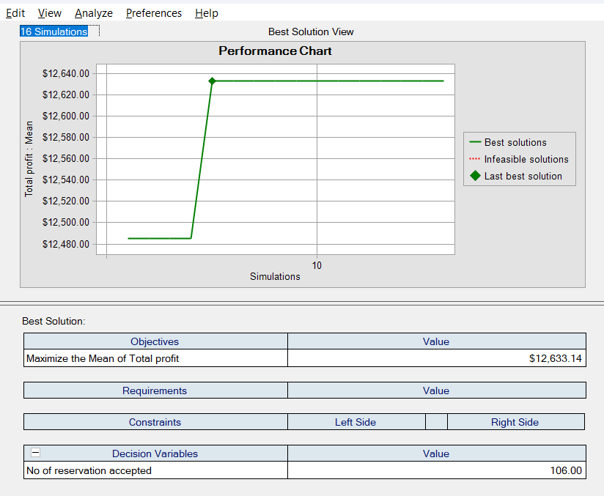
Total profit | $15,900.00

